Version
FORM | VERSION
OIR-DO-2115 (1/14) | 19.10.A

Title Underwriters Data Call
CY2018 Florida Financial Data (Template 1)

Pursuant to Section 624.307 and 627.782 Florida Statutes, and Section 69O-186.014, F.A.C.
Every title underwriter that held a Florida license during 2018 is asked to file these
electronic data collection forms.

If you need any assistance during the filing process,
please contact the Office at
TitleUnderwritersReporting@floir.com
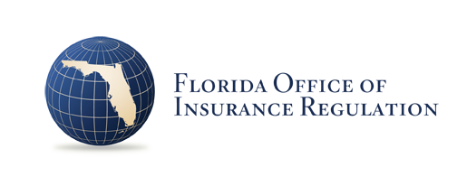

Due Date May 31, 2019

